KKO
KAJIAN KELAYAKAN OPERASI

DAYA LAMA |  |  |  | DAYA BARU
Nama Pelanggan | : | PB BTS IOH_14BLA0093_PEPE_11KVA |  | Nama Pelanggan | : | PB BTS IOH_14BLA0093_PEPE_11KVA
Daya Lama (VA) | : | 0 |  | Daya Baru (VA) | : | 11000
Jumlah Fasa | : | 1 | * | Jumlah Fasa | : | 1
Tegangan Sekunder Pengukuran rata-rata (Fasa-Netral) (V) | : | 220 | * | Tegangan Sekunder Pengukuran rata-rata (Fasa-Netral) (V) | : | 220
Beban Pelanggan (A) | : | 0.00 |  | Beban Pelanggan (A) | : | 50.14

SUPLAI TRAFO EKSISTING |  |  |  | SUPLAI TRAFO RENCANA
Nomor Tiang | : | MGN03-314/72 |  | Nomor Tiang | : | MGN03-314/64
Penyulang | : | SGB02 |  | Penyulang | : | SGB02
Daya | : | 50 | * | Daya | : | 50
Jumlah Fasa | : | 1 | * | Jumlah Fasa | : | 1
Beban TRAFO (Pengukuran Lapangan) |  | 269 |  | Beban TRAFO | : | 50.00
Beban Primer | : | 4.33 | * | Beban Primer | : | 4.33
Beban Sekunder | : | 227.90 | * | Beban Sekunder | : | 227.90
Beban (A) | : | #VALUE! |  | Beban (A) | : | #VALUE!
Prosentase Pembebanan | : | 118% |  | Beban (A) | : | 22%
 | 22% | 100%
Prosentase Pembebanan | : | 100% |  | Beban (A) | : | 100%

DATA





DATA
Tahun | : | 2022
Discount Rate | : | 12%
Transfer price TM | : | 1,084 |  | Marginal COST maret 2022
Umur ekonomis (tahun) | : | 25.00
Selisih Susut Teknis | : | 2.25%
∑ Daya | : | 11
BP (Rp) | : | 10,307,000
RAB (Rp) | : | 40,676,341
Biaya O&M (2% invest) | : | 813,526.83

Nama Pelanggan | : | PB BTS IOH_14BLA0093_PEPE_11KVA | *
Golongan Pelanggan | : |  | *
Jenis Layanan | : | B2 | *
Daya Lama (kVA) | : |  | *
Daya Baru (kVA) | : | 11 | *
Tarif WBP (Rp/kWh) | : | 1,444.70 | *
Tarif LWBP (Rp/kWh) | : | 1,444.70 | *
BP (Rp/VA) TR | : | 937 | *
Jam Nyala | : | 40 | *

RAB
 |  | PT. PLN ( PERSERO )
 |  | UNIT INDUK DISTRIBUSI JAWA TENGAH & DI YOGYAKARTA |  |  |  |  |  |  |  |  |  | RAB TOTAL
 |  | UP3 DEMAK |  |  |  |  |  |  |  |  | RAB TOTAL | RAB NON MDU
 | RENCANA ANGGARAN BIAYA (RAB)

 |  |  |  | Pekerjaan | : | PB BTS IOH_14BLA0093_PEPE_11KVA
 |  |  |  | Lokasi | : | DESA PEPE DUSUN PEPE RT02 RW02 TEGOWANU
 |  |  |  | Pelaksana | : | PT. PLN (PERSERO) UP3 DEMAK
 |  |  |  | Anggaran | : | SAR 2023

Note !! 1. Saat Pengisian Uraian di mohon memasukan nama material sesuai dengan nama material di harga satuan
2. Mohon di cek kembali saat pengisian volume material
3. Untuk program Sarana Penunjang Fungsi tidak perlu SLO.
 | NO | URAIAN | GOL | SAT | VOL | HARGA SATUAN | BIAYA YANG DIPERLUKAN ( Rp )
 |  |  |  |  |  |  | MDU | HARDWARE | JASA | JUMLAH

#REF! | A | PEMASANGAN TIANG |  |  |  | 0 | 0 | 0 | 0 | 0
#REF! | + | Tiang Beton 9M-200 daN+E | HDW | Unit | 1 | 3,382,600 | 0 | 3,382,600 | 0 | 3,382,600
#REF! | + | Penomoran Tiang | JASA | Unit | 1 | 10,067 | 0 | 0 | 10,067 | 10,067
#REF! | + | Upah Pasang Tiang Beton 9M-200 daN+E | JASA | Unit | 1 | 542,850 | 0 | 0 | 542,850 | 542,850
#REF! |  |  |  |  |  | 0 | 0 | 0 | 0 | 0
#REF! |  |  |  |  |  | 0 | 0 | 0 | 0 | 0
#REF! | B | PEKERJAAN PEMASANGAN KONSTRUKSI |  |  |  | 0 | 0 | 0 | 0 | 0
#REF! |  |  |  |  |  | 0 | 0 | 0 | 0 | 0
#REF! | + | Trafo 1 Fasa CSP 50 KVA (G105, G106, G136) |  | Unit | 1 | 0 | 0 | 0 | 0 | 0
#REF! | 1 | Trafo 1 Fasa CSP 50 kVA | MDU-KD | Bh | 1 | 27,845,400 | 27,845,400 | 0 | 0 | 27,845,400
#REF! | 2 | Jumper Wire : |  |  |  | 0 | 0 | 0 | 0 | 0
#REF! |  | AAAC 70 mm² | MDU-KD | Mtr | 2 | 14,200 | 28,400 | 0 | 0 | 28,400
#REF! |  | NFA2X-T 2 x 70 + N 70 mm² | MDU-KD | Mtr | 2 | 53,300 | 106,600 | 0 | 0 | 106,600
#REF! | 3 | Hot Line Clamp ( 35mm² s/d 70 mm² ) | HDW | Bh | 1 | 87,000 | 0 | 87,000 | 0 | 87,000
#REF! | 4 | Bracket band segment,vertikal plat ( Hot dip galvanis ) | HDW | Bh | 2 | 404,600 | 0 | 809,200 | 0 | 809,200
#REF! | 5 | Compresion Conector H type 70 mm² / 70 mm² | HDW | Bh | 3 | 15,900 | 0 | 47,700 | 0 | 47,700
#REF! | 6 | Compresion Terminal Lug 70 mm² | HDW | Bh | 2 | 17,100 | 0 | 34,200 | 0 | 34,200
#REF! | 7 | Sepatu Kabel AL/CU Ring 95 | HDW | Bh | 4 | 64,300 | 0 | 257,200 | 0 | 257,200
#REF! | 8 | Armour Rod # for 70 mm² | HDW | Set | 1 | 67,800 | 0 | 67,800 | 0 | 67,800
v | 9 | Ground wire Cu 16 mm² | HDW | Mtr | 2 | 30,000 | 0 | 60,000 | 0 | 60,000
#REF! | 10 | Upah Pasang Trafo 1 Fasa 50 KVA + Bracket | JASA | Unit | 1 | 346,400 | 0 | 0 | 346,400 | 346,400
#REF! |  |  |  |  |  | 0 | 0 | 0 | 0 | 0
#REF! | + | CM2-12 |  | Unit | 1 | 0 | 0 | 0 | 0 | 0
#REF! | 1 | Bimetalic Connector 35 - 240 mm² | HDW | Bh | 1 | 47,459 | 0 | 47,459 | 0 | 47,459
 | 2 | Ground wire Cu 16 mm² | HDW | Mtr | 0.8 | 30,000 | 0 | 24,000 | 0 | 24,000
 | 3 | Ground rod & Washer | HDW | Bh | 1 | 9,500 | 0 | 9,500 | 0 | 9,500
#REF! | 4 | Upah Pasang Acc.Jar M2-12 | JASA | Unit | 1 | 16,200 | 0 | 0 | 16,200 | 16,200
#REF! |  |  |  |  |  | 0 | 0 | 0 | 0 | 0
#REF! | + | CM2-11M |  | Unit | 2 | 0 | 0 | 0 | 0 | 0
#REF! | 1 | Ground rod ⅝" x 8" Copper Weld | HDW | Bh | 2 | 185,200 | 0 | 370,400 | 0 | 370,400
 | 2 | Bimetalic Connector 35 - 240 mm² | HDW | Bh | 2 | 47,459 | 0 | 94,918 | 0 | 94,918
 | 3 | Clamp Ground Rod ⅝" | HDW | Bh | 2 | 4,880 | 0 | 9,760 | 0 | 9,760
#REF! | 4 | Ground wire Cu 16 mm² | HDW | Mtr | 20 | 30,000 | 0 | 600,000 | 0 | 600,000
#REF! | 5 | Ground rod & Washer | HDW | Bh | 4 | 9,500 | 0 | 38,000 | 0 | 38,000
#REF! | 6 | Pipa PVC ½" | HDW | Bh | 11 | 6,100 | 0 | 67,100 | 0 | 67,100
#REF! | 7 | Stopping Buckle / Yokes | HDW | Bh | 12 | 2,300 | 0 | 27,600 | 0 | 27,600
 | 8 | Stainless Steel Strap 20 X 0.7 mm | HDW | Mtr | 9.6 | 23,310 | 0 | 223,776 | 0 | 223,776
 | 9 | Upah Pasang Acc.Jar M2-11M | JASA | Unit | 2 | 65,400 | 0 | 0 | 130,800 | 130,800
#REF! |  |  |  |  |  | 0 | 0 | 0 | 0 | 0
#REF! | + | SJ6 |  | Unit | 2 | 0 | 0 | 0 | 0 | 0
#REF! | 1 | Armour Tape ¼" wide | HDW | Mtr | 2 | 7,789 | 0 | 15,578 | 0 | 15,578
 | 2 | Clevis Swinging Secondary | HDW | Bh | 2 | 15,500 | 0 | 31,000 | 0 | 31,000
 | 3 | Loop Dead End Clamp / LC ( 35 s/d 240 ) mm² | HDW | Bh | 4 | 29,600 | 0 | 118,400 | 0 | 118,400
#REF! | 4 | Oval Eye Nut ⅝" | HDW | Bh | 2 | 23,936 | 0 | 47,872 | 0 | 47,872
#REF! | 5 | Pole Band Single Rack 7" atau 7 ½" | HDW | Bh | 2 | 57,690 | 0 | 115,380 | 0 | 115,380
#REF! | 6 | Spool Insulator ANSI 53 - 4 | HDW | Bh | 2 | 33,502 | 0 | 67,004 | 0 | 67,004
#REF! | 7 | Upah Pasang Konst. JTR J6 | JASA | Unit | 2 | 35,700 | 0 | 0 | 71,400 | 71,400
 |  |  |  |  |  | 0 | 0 | 0 | 0 | 0
 |  |  |  |  |  | 0 | 0 | 0 | 0 | 0
v |  |  |  |  |  | 0 | 0 | 0 | 0 | 0
v | E | PEMBONGKARAN |  |  |  | 0 | 0 | 0 | 0 | 0
v |  |  |  |  |  | 0 | 0 | 0 | 0 | 0
#REF! |  |  |  |  |  | 0 | 0 | 0 | 0 | 0
 |  |  |  |  |  | 0 | 0 | 0 | 0 | 0
 | F | SLO |  |  |  | 0 | 0 | 0 | 0 | 0
 | 1 | Sertifikasi Laik Operasi | JASA | Lot | 1 | 2.5% |  |  | 893,789 | 893,789
 |  |  |  |  |  |  | 0 | 0 | 0 | 0

 |  | Jumlah MDU - Hardware - Jasa |  |  |  | : | 27,980,400 | 6,653,447 | 2,011,506 | 36,645,352
 |  | PPN 11% |  |  |  | : | 3,077,844 | 731,879 | 221,266 | 4,030,989
 |  | Jumlah Total |  |  |  | : | 31,058,244 | 7,385,326 | 2,232,771 | 40,676,341
 | Terbilang : Empat Puluh Juta Enam Ratus Tujuh Puluh Enam Ribu Tiga Ratus Empat Puluh Satu Rupiah

 | Harga yang dipakai adalah RAB HSS 2023

 |  |  |  |  |  |  |  | Tegowanu, Februari 2024
 |  |  |  |  |  |  |  | MANAGER ULP TEGOWANU

 |  |  |  |  |  |  |  | HARY PRATAMA

GAMBAR
 |  |  |  |  | PT. PLN (PERSERO) UP3 DEMAK
Hasil Ukur Trafo 1 Ph 50 KVA ( X ) di -
 | X0 | X1 | X2 | X3 | Keterangan Gambar :
SIANG | 9 | 48 | 69 |  | No | Nama Material |  |  | Baru |  | Eksisting
s
s
MALAM | 20 | 74 | 134 |  | 1 | Tiang Beton
 |  |  |  |  | 2 | Tiang Besi
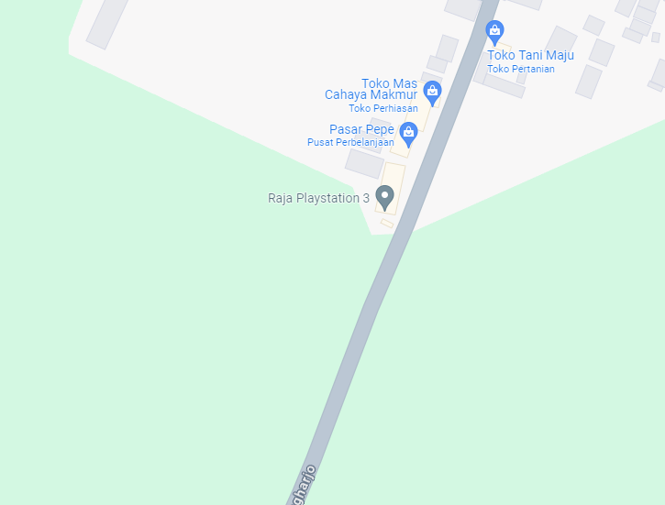
 |  |  |  |  | 3 | JTM 3 Fasa
 |  |  |  |  | 4 | JTM 1 Fasa
 |  |  |  |  | 5 | JTR 1 Fasa Only / UB
 |  |  |  |  | 6 | JTR 3 Fasa Only / UB
 |  |  |  |  | 7 | Trafo 1 Fasa
 |  |  |  |  | 8 | Trafo 3 Fasa
 |  |  |  |  | 9 | Fuse Cut Out
 |  |  |  |  | 10 | ABSW
 |  |  |  |  | 11 | Vang Net
 |  |  |  |  | 12 | Schoor
 |  |  |  |  | 13

 |  |  |  |  | Bongkar Pasang Konstruksi :
 |  |  |  |  | Pasang |  |  |  | Bongkar
 |  |  |  |  | C9-200E |  | BTG | 1 | C9-200E |  | BTG | 0
 |  |  |  |  | C12-350E |  | BTG | 0 | SJ5 |  | U | 0
A
 |  |  |  |  | CA-1 |  | U | 0 | CM2-12 |  | U | 0 | MGN03-314/64
MGN03-314/64
1 C12-200E
1 CG136 50 KVA
2 CM2-11M
1 CM2-12
 |  |  |  |  | CA-5 |  | U | 0 | SJ6 |  | U | 0
37 m
37 m
 |  |  |  |  | CA-6 |  | U | 0 | MJ6-T |  | U | 0
 |  |  |  |  | CM2-12 |  | U | 1 | CE1-2 |  | U | 0
 |  |  |  |  | CM2-12A |  | U | 0 | F1-2 |  | U | 0
 |  |  |  |  | CM5-6 |  | U | 0 | SR 1 PH |  | U | 0
 |  |  |  |  | CM5-9 |  | U | 0
 |  |  |  |  | CG-106 50KVA |  | U | 1
APP
APP
 |  |  |  |  | CM2-11M |  | U | 2
 |  |  |  |  | SJ5 |  | U | 0
 |  |  |  |  | SJ6 |  | U | 2
s
s
 |  |  |  |  | MJ6-T |  | U | 0
 |  |  |  |  | CE1-3 |  | U | 0
s
s
 |  |  |  |  | F1-3 |  | U | 0
 |  |  |  |  | CCO 70-70 |  | B | 0
 |  |  |  |  | SR 1 PH |  | U | 0
MGN09-119/15/9
1 C11-200E
1 CG-106 50KVA
2 CM2-11M
1 CM2-12
2 SJ6
 |  |  |  |  | AAAC 1X70 mm2 |  | M | 0
 |  |  |  |  | LVTC 2X70+NX50 mm2 |  | M | 50
 |  |  |  |  | Keterangan Tambahan : -7.023449,110.653779

 |  |  |  |  | Golongan
 |  |  |  |  | No. Gambar |  | 1 |  |  | Lembar |  | dr
 |  |  |  |  | Gambar dari |  |  |  |  | Skala
 |  |  |  |  | Perihal:
 |  |  |  |  | PB BTS IOH_14BLA0093_PEPE_11KVA
 |  |  |  |  | DESA PEPE DUSUN PEPE RT02 RW02 TEGOWANU

 |  |  |  |  | Digambar |  | Staf Teknik
 |  |  |  |  | Diperiksa |  | TL. Teknik
 |  |  |  |  | Diketahui |  | Manager ULP
 |  |  |  |  | Disetujui |  | Man. Perencanaan

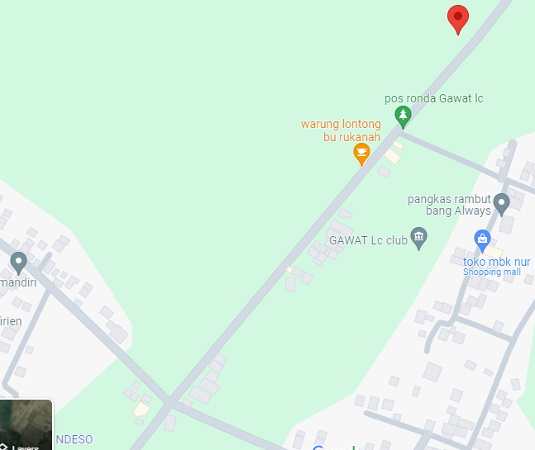
MGN03-428/34/42A (SGB02)/10
1 C12-350E
1 CA5
1 CG-106 50KVA
2 CM2-11M
1 CM2-12A
1 CM2-12
1 CE1-3
1 F1-3
1 SJ5
MGN03-428/34/42A (SGB02)/11-14
1 C12-200E
1 SJ5
1 CM2-12

MGN03-428/34/42A (SGB02)/6
1 C12-350E
1 CA1
1 CM2-12
1 SJ5
MGN03-428/34/42A (SGB02)/16
1 C12-200E
1 SJ6
1 MJ6-T
1 CM2-12
1500 AAAC 1X70 mm2
750 LVTC 2X70+NX50 mm2

MGN03-428/34/42A (SGB02)/3
1 C12-200E
1 CA1
1 CM2-12
1 SJ5
5 SR 1 PH
MGN03-428/34/42A (SGB02)/7-9
3 C12-200E
3 CA-1
3 SJ5
3 CM2-12
1 C9-200E
1 SJ6
1 MJ6-T
1 CM2-12
1 CM2-12A
1 CE1-2
1 F1-2
5 SR 1 PH

MGN03-428/34/42A (SGB02)/2
1 C12-200E
1 CA6
1 CM2-12
1 CM2-12A
1 CE1-3
1 F1-3
MGN03-428/34/42A (SGB02)/5
1 C12-200E
1 CA1
1 CM2-12
1 SJ5

MGN03-428/34/42A (SGB02)/4
1 C12-200E
1 CA1
1 CM2-12
1 SJ5
1 C9-200E
1 SJ5
1 CM2-12

1 C9-200E
1 SJ5
1 CM2-12
1 SJ5
1 CM2-12

MGN03-428/34/42A (SGB02)/1
1 C12-200E
1 CA6
1 CM2-12
1 CM2-12A
1 CE1-3
1 F1-3
MGN03-428/34/42A (SGB02)/1
1 C12-200E
1 CA6
1 CM2-12
1 CM2-12A
1 CE1-3
1 F1-3

MGN03-428/34/43 (SGB02)
1 SJ6
1 CM2-12
1 MJ6-T
MGN03-428/34/42A (SGB02)
1 CA5
1 CM2-12
1 CM5-6
1 CM5-9
2 CCO 70-70

PETA
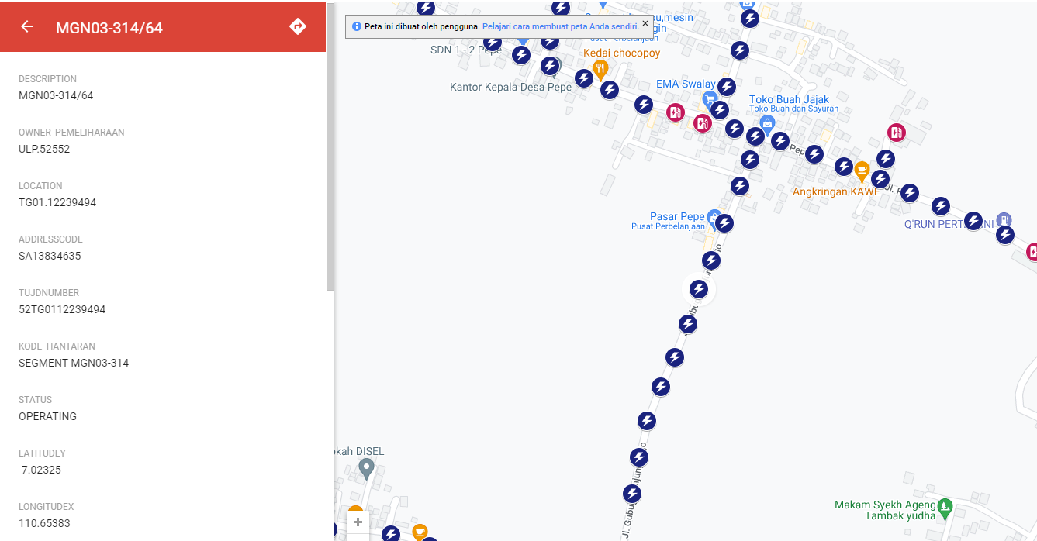
PETA LOKASI PELANGGAN

KOORDINAT LOKASI : -7.023278,110.653827

